Dianne Beever Expense Summary
Please list the name of the person or organization that the check gets made out and sent to.
Pay To the Order Of: |  | Dianne Beever

Address: |  | 12805 Wooded Lake Ct

City, State, Zip: |  | Austin, TX 78732

Expense Reimbursement Report - Region C

Please list all expenses here. Expenses listed total out in the Total line below.
Date | Vendor | Description of Expense |  | Amount
2011-11-20 | Shell | gasoline |  | $39.96
2011-11-19 | Valero | gasoline |  | $42.96
2011-11-20 | Holiday Inn | accommodations |  | $223.74

Amount Due is completed by the Region Treasurer (in some cases, the amount due may not match the total expense amount).

 |  |  | Total Expenses: | $306.66
 |  |  | Amount Due: | $306.66

List name of person submitting report (may differ from Payee) and date.
 | Dianne M Beever |  | 8-Dec-11
 | e-Signature |  | Date

 | * Receipts required for all expenses

Add your name to this tab or just leave it as Expense Summary.

Receipts
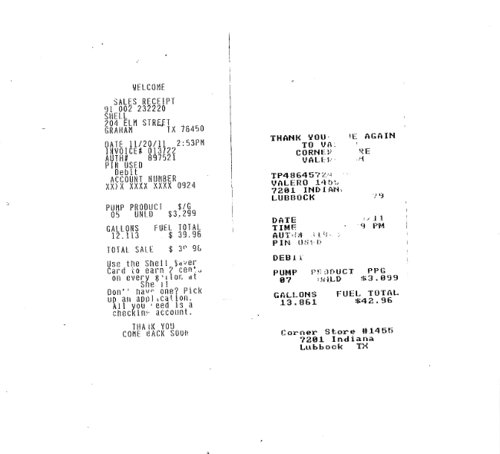

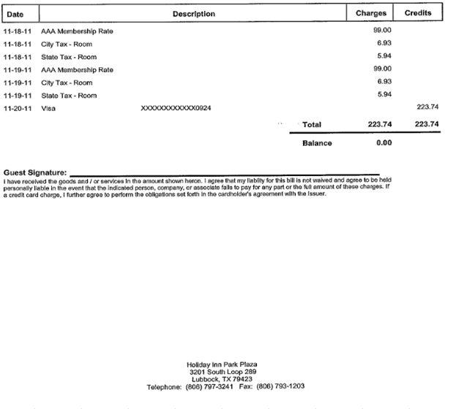

Please attach receipts for all expenses listed on the summary page here. Please note: Snipping Tool is a wonderful thing to use here!

Bill Pay Confirmation
For Region Treasurer Use Only. This is confirmation of payment from the bank.

